Registration Directions
You will receive a blank copy of the Turkey Allotment Worksheet. The areas in Yellow need to be entered by you. The worksheet will be locked when you receive it to protect the formulas. Keep it locked except when directed. It is not passwork protected but it is advised that you add a password so that formulas are not accidently overridden. Connecticut Foodshare is providing this template as courtesy. We cannot fix formulas once they have been corrupted.

To Unprotect Sheet: Review Tab> Unprotect Sheet

Enter the fields in yellow. THIS IS IMPERATIVE for your Turkey Template to work properly. These numbers were provided to you on your Turkey Email . The areas highlighted in blue are for your use only.

Unprotect Workbook> Review Tab> Unprotect Workbook

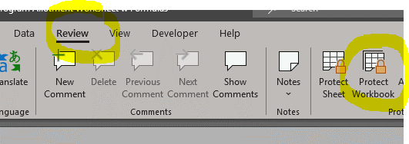

Using the Template to Register Clients and Allott Turkeys, Chickens and Gift Cards: The number you enter in the step above will auto-populate in the first row for your first client. (Highlighted in yellow). Again, your number must be correctly entered before you start using the Registration form.
Enter first and last name, phone number and number in household. All of these fields are optional and are to assist you in locating the client on distribution day. You could use an ID number or an assigned number in the Client Phone field if preferred.
Enter the client's preference for a turkey, chicken or Big Y gift card. (Gift cards are only being distributed to programs near a Big Y store location.) When you enter a number in one of the "Request columns" the number will automatically be subtracted from next three columns. These are the turkeys, chickens and Gift Cards you still have available to offer to other clients.
Example:
Samantha Jones requested one turkey, the Turkey Available number is now 99. (Red circles)
Adam Smith requests one turkey, the Turkey Available number is now 98. (Blue circles)
Marsha Brady requests a chicken, the Chicken Available number is now 49. (Pink circles)
Lisa Merrick requests a Gift Card, the Gift Card Available number is now 24 (Aqua circles)
Barack Obama requests one turkey, the Turkey Available number is now 97 (Teal circles)
Continue this through 500 clients. If you have more than 500 clients we recommend a separate workbook be started.

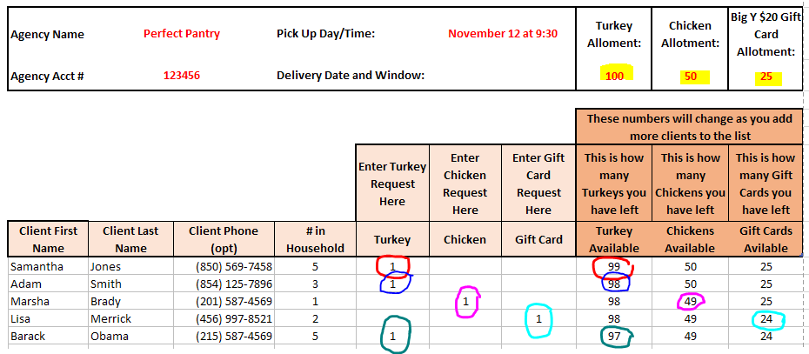

Every Client Request you enter is automatically carried over to the DISTRIBUTION Tab. This tab contains a LOT of formulas. KEEP your entire workbook locked except when directed otherwise. Formulas can not be repaired by Connecticut Foodshare.

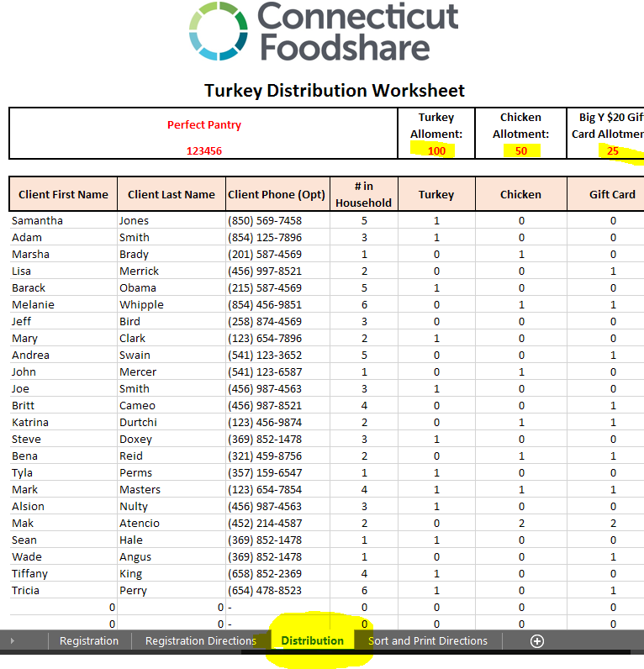

Click on the Sort and Print Directions Tab to utilize this for Distribution Day.

Sort and Print Directions
To prepare your Distribution Page for printing :

Unprotect Workbook> Review Tab> Unprotect Sheet

Delete all rows containing zeros from the bottom of the DISTRIBUTION tab. You MUST delete the entire row by highlighting the row numbers .

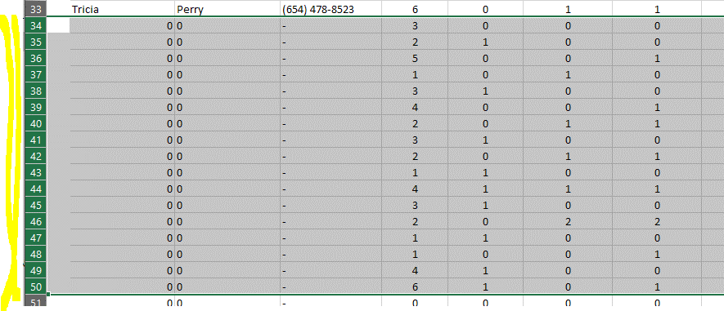

Sort by Last Name> Place Cursor sort tab in Client last Name and Sort A to Z. If you don't see an A to Z option it's most likely because you haven't deleted all the rows containing "zero" in the step above.

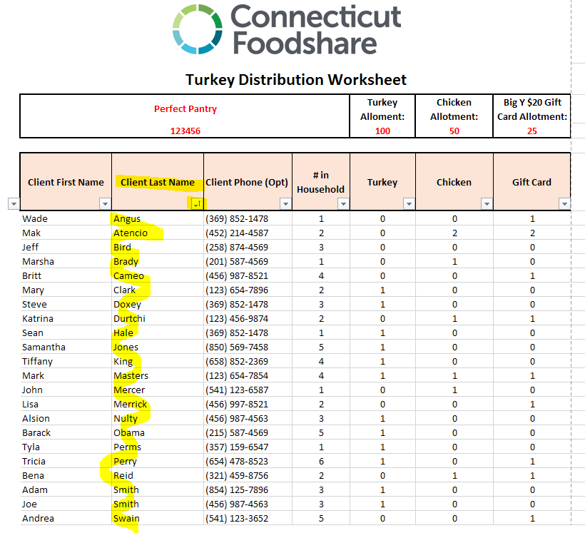

Print your list in landscape format.

